UI Test
TC ID | Test Scenario | Test Description | Test Type | Pre-Condition | Step | Test Data | Expected result | Actual results | Status | Note
TC_REGIST_UI01 | The UI is like the design | Test the user-friendliness of the registration page by assessing the clarity and readability of instructions displayed on the page. | UI |  | 1. Open browser and visit website. |  | The website is maximize for user. | 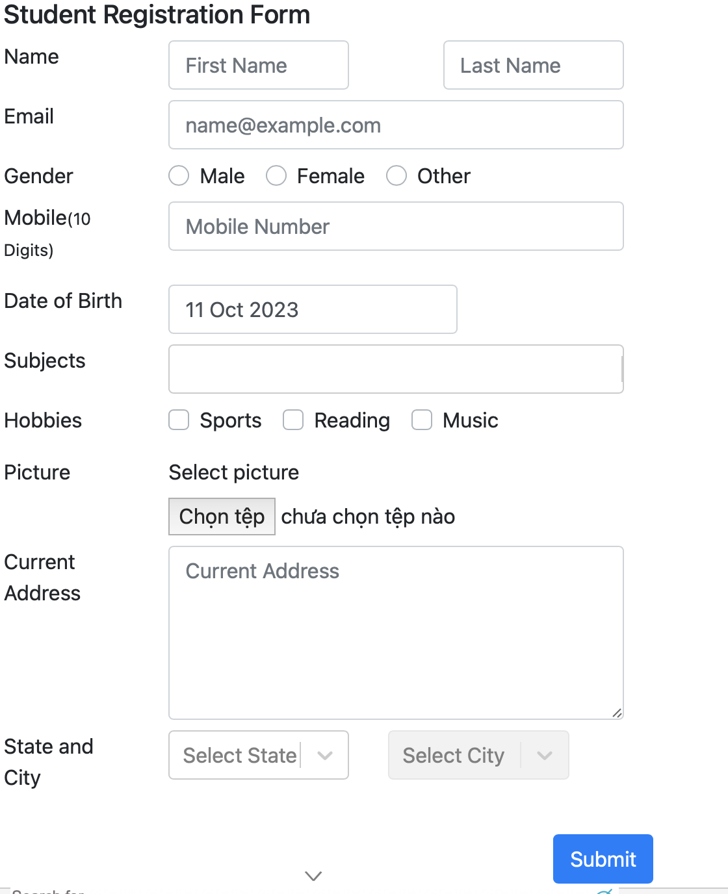 | Pass
TC_REGIST_UI02 |  | Test the consistency of the page design and layout. | UI |  | 1. Open browser and visit website. |  | Elements is displayed exactly like design |  | Pass
TC_REGIST_UI03 |  | Verify if the “Thanks for submitting the form” window are clear with the right information. | UI |  | 1. Open browser and visit website. 2. Fill-in valid value. 3. Click Submit button |  | Right Information is display on the "Thanks for submitting the form” | 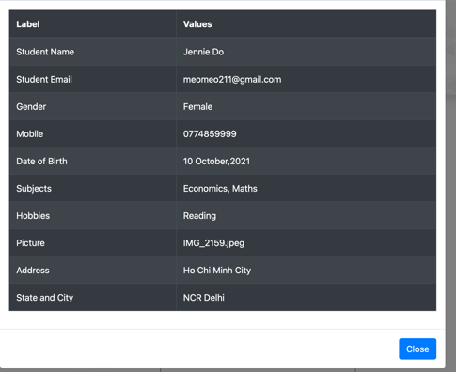 | Pass
TC_REGIST_UI04 |  | Verify if the error messages are clear with the right information. | UI |  | 1. Open browser and visit website. 2. Fill-in invalid value |  | Red signal is displayed on the right of the elements |  | Pass
TC_REGIST_UI05 |  | Check all the text boxes, choosing symbol, button, ... | UI |  | 1. Open browser and visit website. 2. Click. |  | All element can be acsessed |  | Pass
TC_REGIST_UI06 | UI is consistancy in all screen | Test the consistency of the page design and layout in all size of screen. | UI |  | 1. Open browser and visit website. 2. Resize the browser. |  | All element will be fit with the size of the browser. | 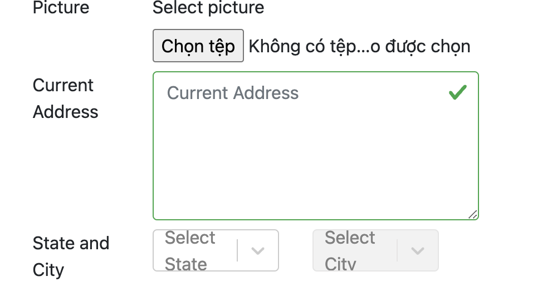 | BUG | The size of the elements sould be resize with the width is fit to the box content.

Functionality Test
TC ID | Test Scenario | Test Description | Test Type | Pre-Condition | Step | Test Data | Expected result | Actual results | Status | Note
TC_REGIST_F01 | User submit form successfully | Verify that user submit successfully with all the valid information | Functionality |  | 1. Open the browser and visit the website. 2. Click on Practice Form. 3. Input valid all the values in the Requirement and Optional class. 4. Click on Submit button. | First Name: Jennie Last Name: Do Email: meomeo211@gmail.com Gender: Female Mobile: 0774859999 Date of Birth: 10 Oct 2001 Subjects: Economics; Math Hobbies: Reading Picture: meomeo.jpg Current Address: Ho Chi Minh City State and City: NCR; Dehli | 1. The user can submit the form. 2. The “Thanks for submitting the form” window will be showing up with the close button. 3. Click on the Close button the browser will get back to the original window proving that the filled-in information has been successfully saved into the system. |  | Pass
TC_REGIST_F02 |  | Verify that user submit successfully with all the valid information in Requirement class and do not have to enter value for Optional class. | Functionality |  | 1. Open the browser and visit the website. 2. Click on Practice Form. 3. Input valid all the values in the Requirement and don't enter the Optional class. 4. Click on Submit button. | First Name: Jennie Last Name: Do Gender: Female Mobile: 0774859999 Subjects: Economics; Math Picture: meomeo.jpg Current Address: Ho Chi Minh City State and City: NCR; Dehli | 1. It is optional for the user to fill-in the Optional class. 1. The user can submit the form. 2. The “Thanks for submitting the form” window will be showing up with the close button. 3. Click on the Close button the browser will get back to the original window proving that the filled-in information has been successfully saved into the system. | 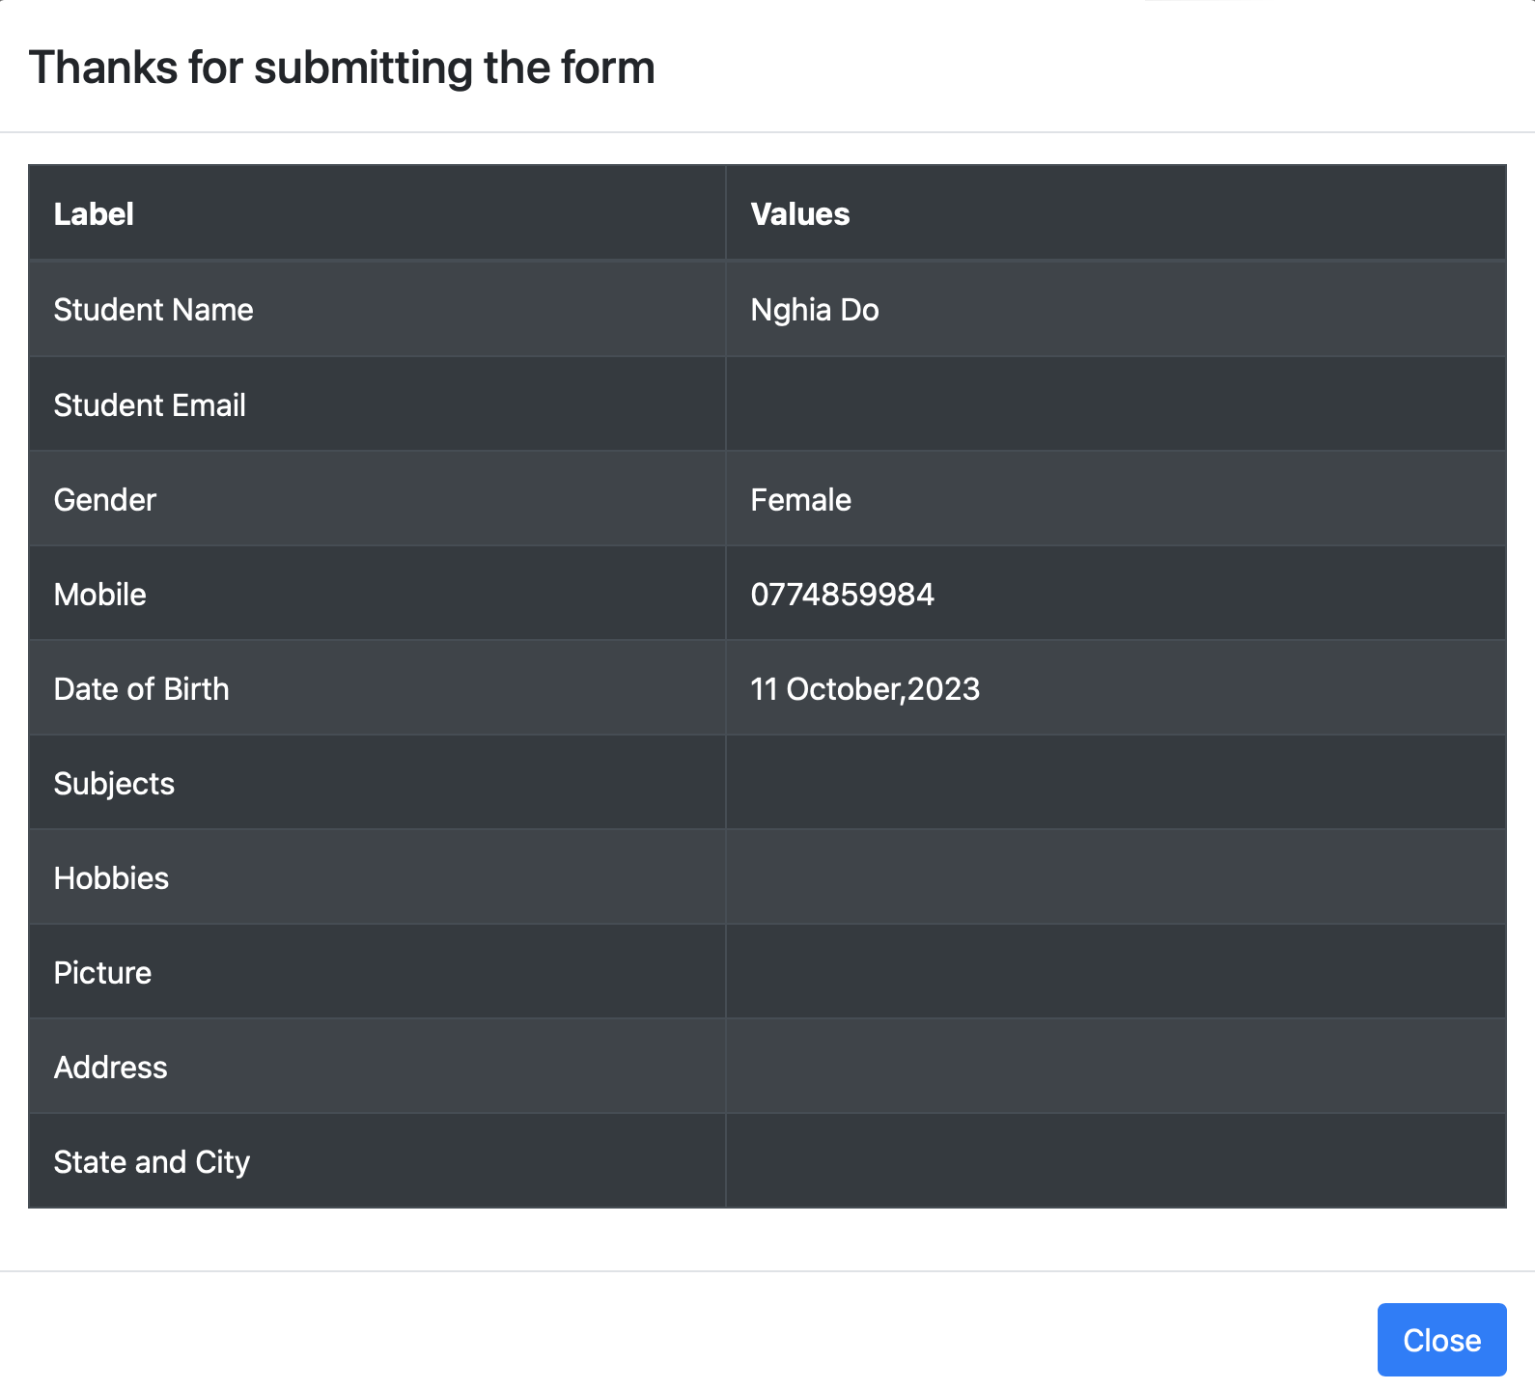 | Pass
TC_REGIST_F03 | User submit form unsuccessfully | Verify that user can't submit successfully if one of the required fields is missing: - First Name/ Last Name - Gender. - Mobile. | Functionality |  | 1. Open the browser and visit the website. 2. Click on Practice Form. 3. Fill out only one or two required fields. 4. Click on Submit button | First Name: Last Name: Đỗ Email: meomeo211@gmail.com Gender: Female Mobile: 0774859999 Date of Birth: 10 Oct 2001 Subjects: Economics; Math Hobbies: Reading Picture: meomeo.jpg Current Address: Ho Chi Minh City State and City: NCR; Dehli | 1. It will response a red signal in elements Firstname 2. The submit button can't be clicked | 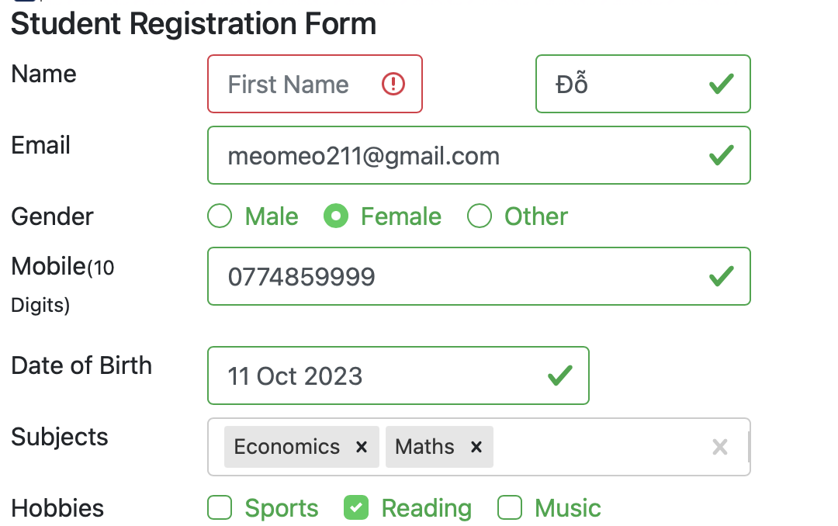 | Pass
TC_REGIST_F04 |  |  | Functionality |  |  | First Name: Jennie Last Name: Email: meomeo211@gmail.com Gender: Female Mobile: 0774859999 Date of Birth: 10 Oct 2001 Subjects: Economics; Math Hobbies: Reading Picture: meomeo.jpg Current Address: Ho Chi Minh City State and City: NCR; Dehli | 1. It will response a red signal in elements Lastname. 2. The submit button can't be clicked | 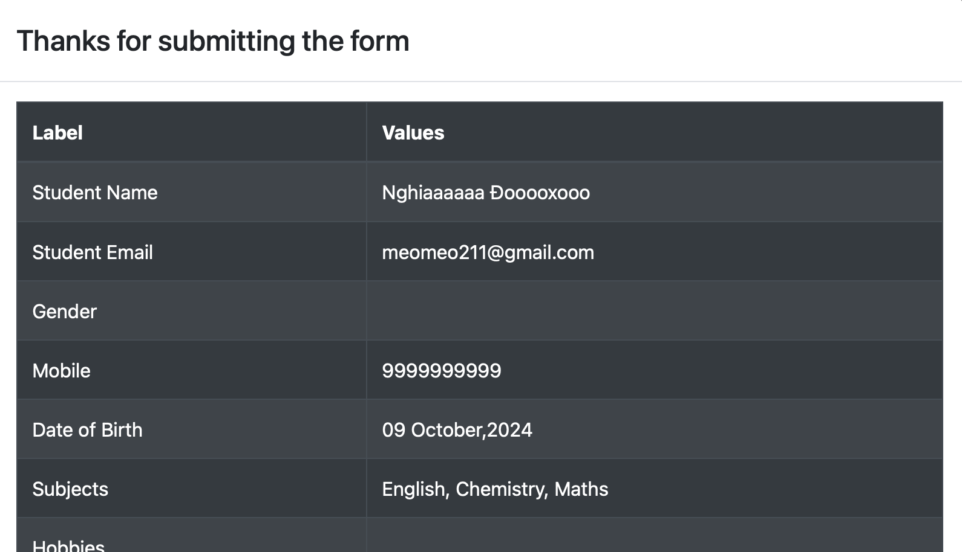 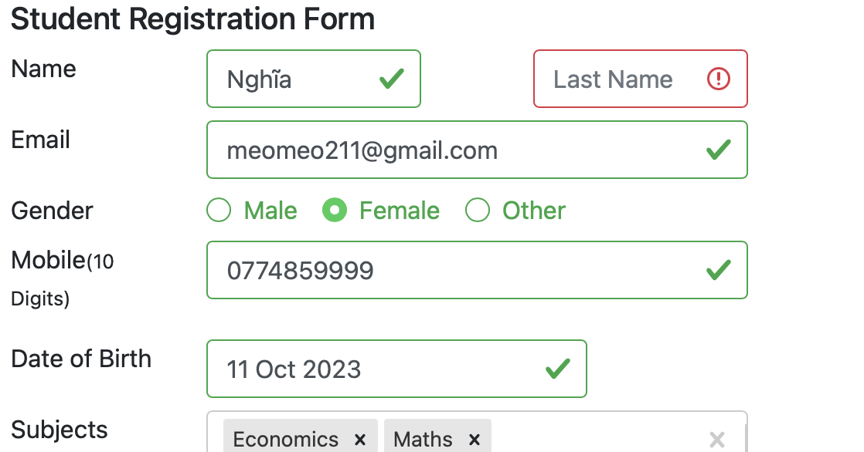 | Pass
TC_REGIST_F05 |  |  | Functionality |  |  | First Name: Jennie Last Name: Do Email: meomeo211@gmail.com Gender: Mobile: 0774859999 Date of Birth: 10 Oct 2001 Subjects: Economics; Math Hobbies: Reading Picture: meomeo.jpg Current Address: Ho Chi Minh City State and City: NCR; Dehli | 1. It will response a red signal in elements Gender. 2. The submit button can't be clicked | 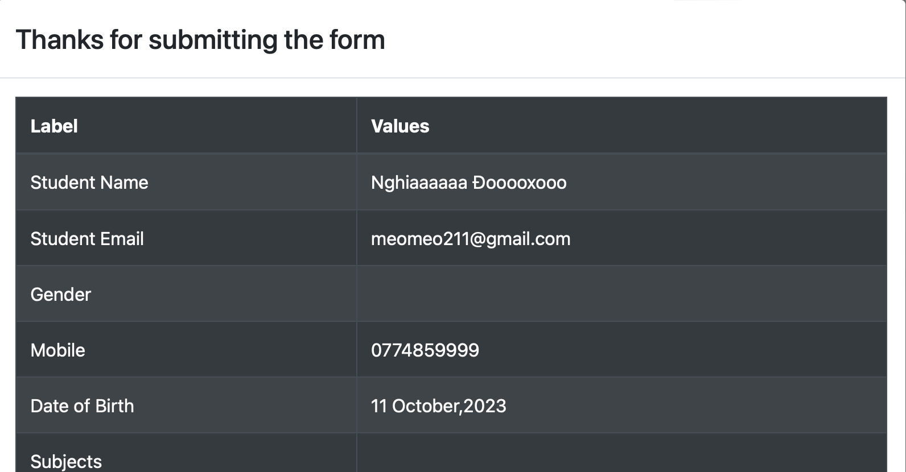 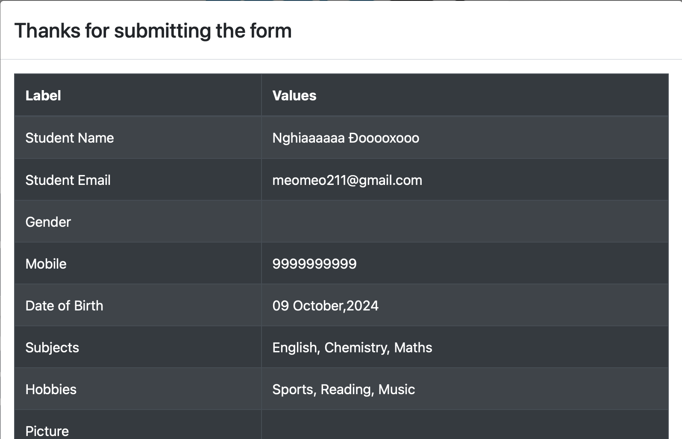 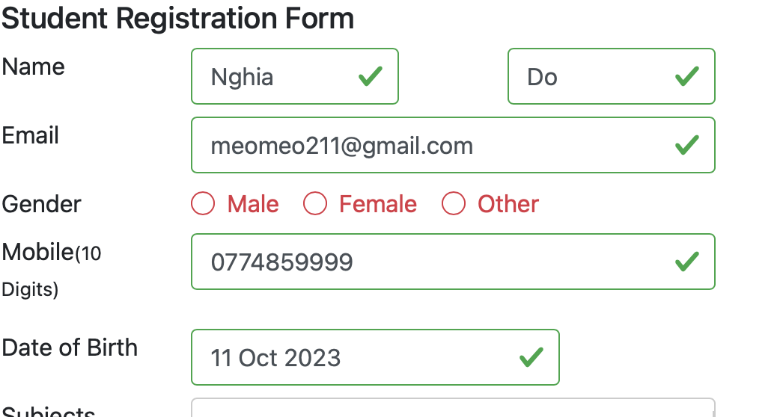 | Pass
TC_REGIST_F06 |  |  | Functionality |  |  | First Name: Jennie Last Name: Đỗ Email: meomeo211@gmail.com Gender: Female Mobile: Date of Birth: 10 Oct 2001 Subjects: Economics; Math Hobbies: Reading Picture: meomeo.jpg Current Address: Ho Chi Minh City State and City: NCR; Dehli | 1. It will response a red signal in elements Mobile. 2. The submit button can't be clicked | 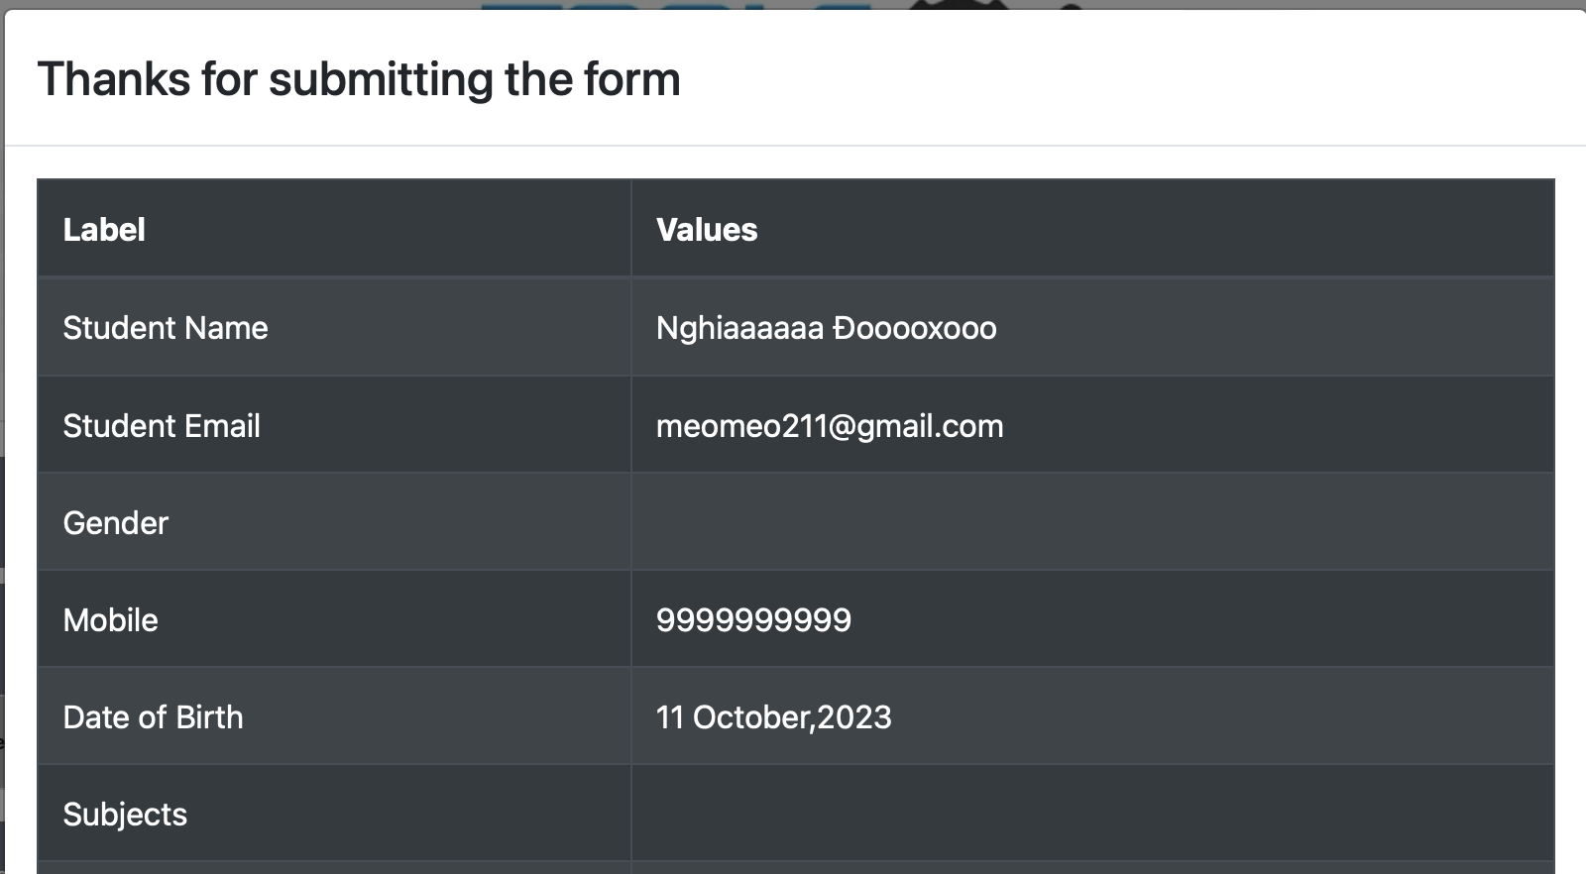 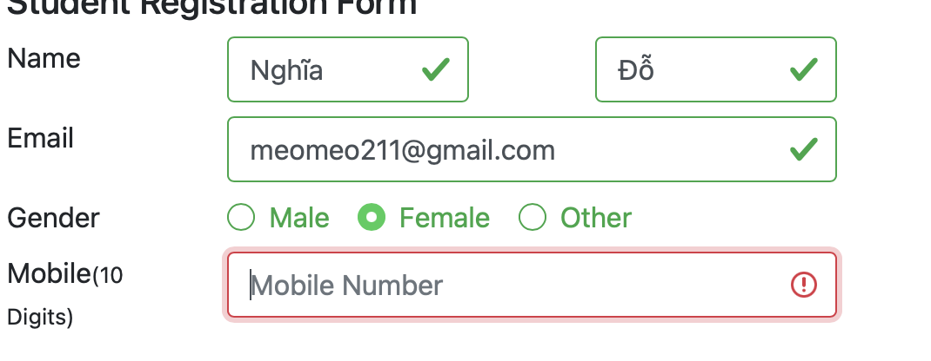 | Pass
TC_REGIST_F07 | User submit form unsuccessfully | Verify that user can't submit successfully with empty Requirement information | Functionality |  | 1. Open the browser and visit the website. 2. Click on Practice Form. 3. Click on Submit button. |  | 1. It will response a red signal in elements such as Name (First, Last); Gender; Mobile. 2. The submit button can't be clicked | 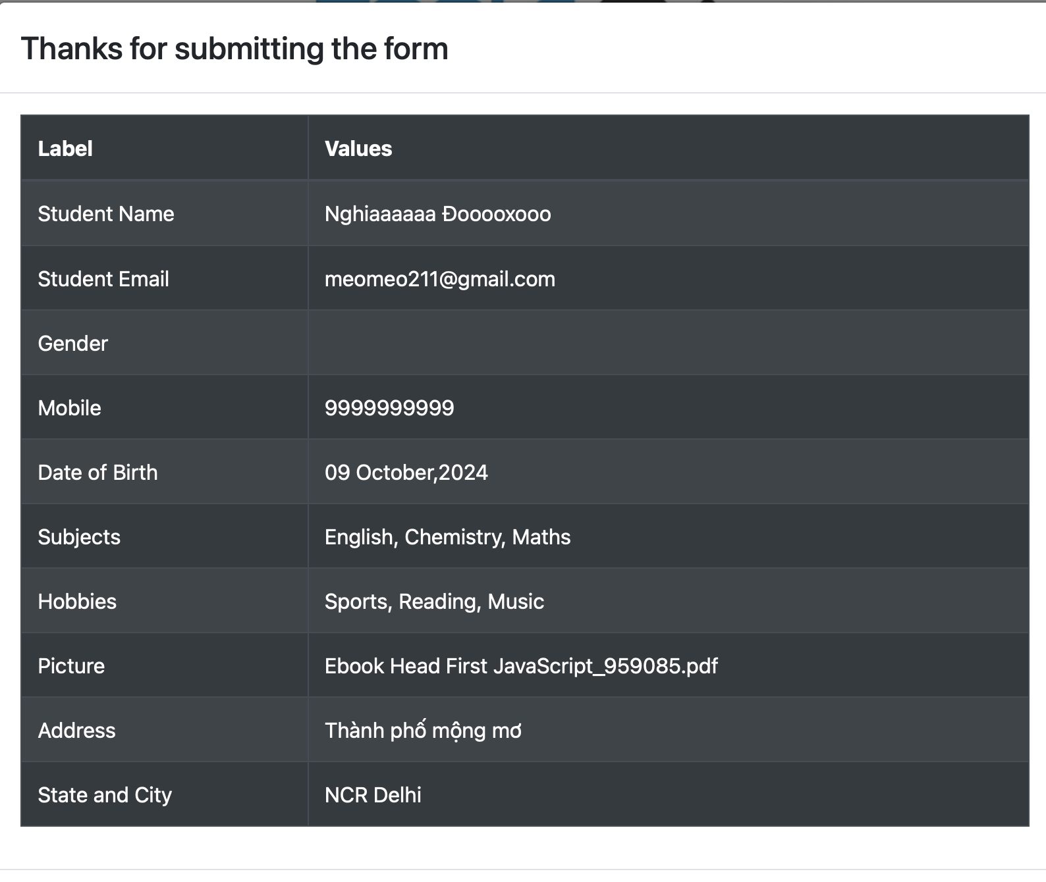 | Pass
TC_REGIST_F08 | User submit form unsuccessfully | Verify that user can't entering and submit successfully the E-mail box that: - No @ or domain. - Missing @ - Missing user name. - Invalid domain - Just including unsual charset. | Functionality |  | 1. Open the browser and visit the website. 2. Click on Practice Form. 3. Input invalid values in E-mail box. 4. Click on Submit button. | 1. meomeo211 2. meomeo211gmail.com 3. @.com 4. meomeo211@1111111 5. @£@$^@&@*@ | 1. It will response a red signal in E-mail box. 2. The submit button can't be clicked | 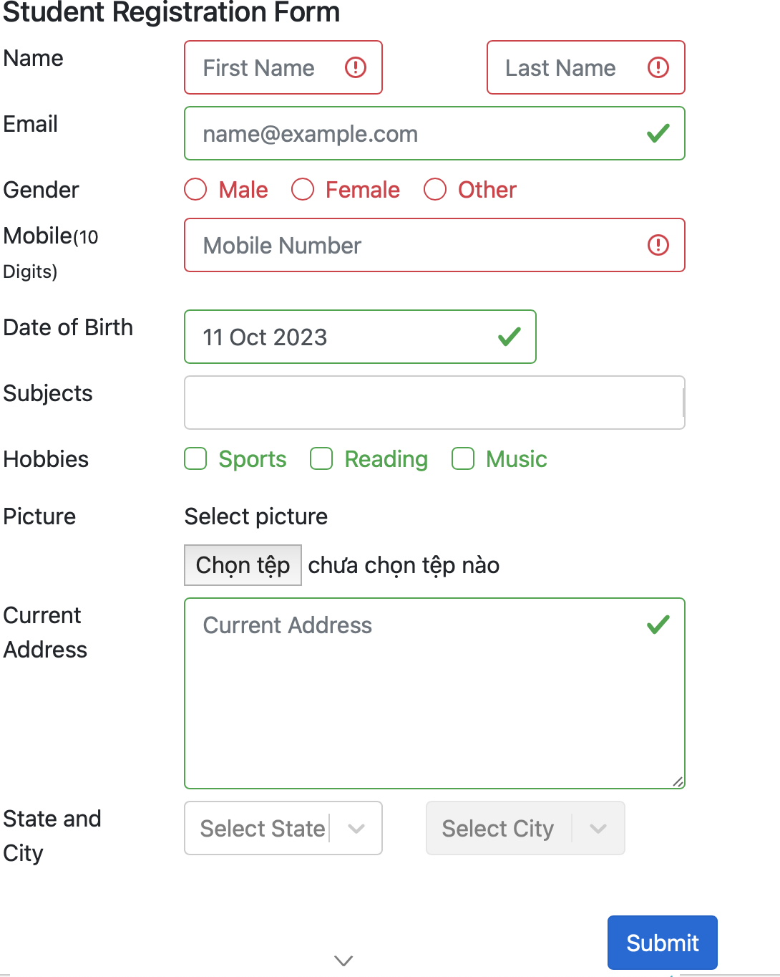 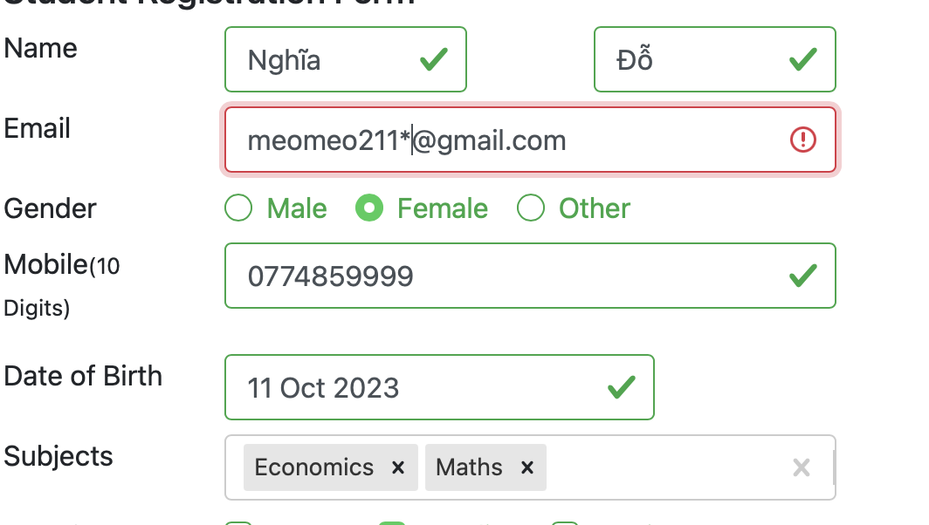 | Pass
TC_REGIST_F09 |  | Verify that user can't submit successfully with: - Invalid Mobile. * Do not enter at least 10 digits or enter more than 10 digits. * Including special character | Functionality |  | 1. Open the browser and visit the website. 2. Click on Practice Form. 3. Input invalid values in Mobile box. 4. Click on Submit button. | 1. 077485999 2. 07748599999 3. 0774*59999 | 1. It will response a red signal in Mobile box. 2. The submit button can't be clicked | 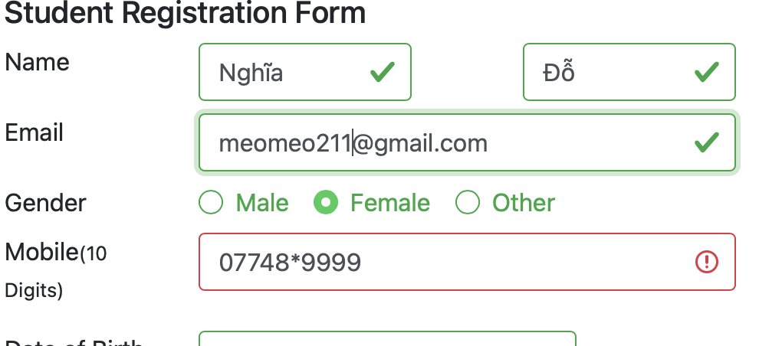 | Pass
TC_REGIST_F10 | User submit form unsuccessfully | Verify that user can't entering and submit successfully the Date of Birth that: - Value are from more than 30 years ago. - Value in today. - Value in time nearly today for about 10 years. - Value in the future. | Functionality |  | 1. Open the browser and visit the website. 2. Click on Practice Form. 3. Input valid values in the Date of Birth box. 4. Click on Submit button. | 1. 02/11/1988 2. 10/10/2023 3. 02/04/2023 4. 02/11/2023 | 1. It will response a red signal in elements Date of Birth. 2. The submit button can't be clicked | 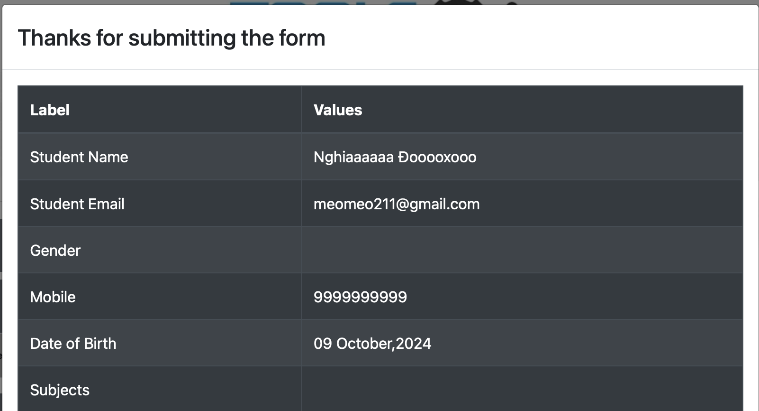 | Fail
TC_REGIST_F11 |  | Verify that user can't updating and submit successfully the Picture file that: - More than 100MB. - Not a type of picture format (pdf, zip, xlx, ...) - A video. | Functionality |  | 1. Open the browser and visit the website. 2. Click on Practice Form. 3. Input valid all the values in the Requirement and enter wrong values in the Optional class. 4. Click on Submit button. | 1. meomeo.png 2. meomeo.pdf; meomeo.zip; ... 3. meomeo.vid | 1. It will response a red signal in elements Picture and can't submit the file. 2. The submit button can't be clicked | 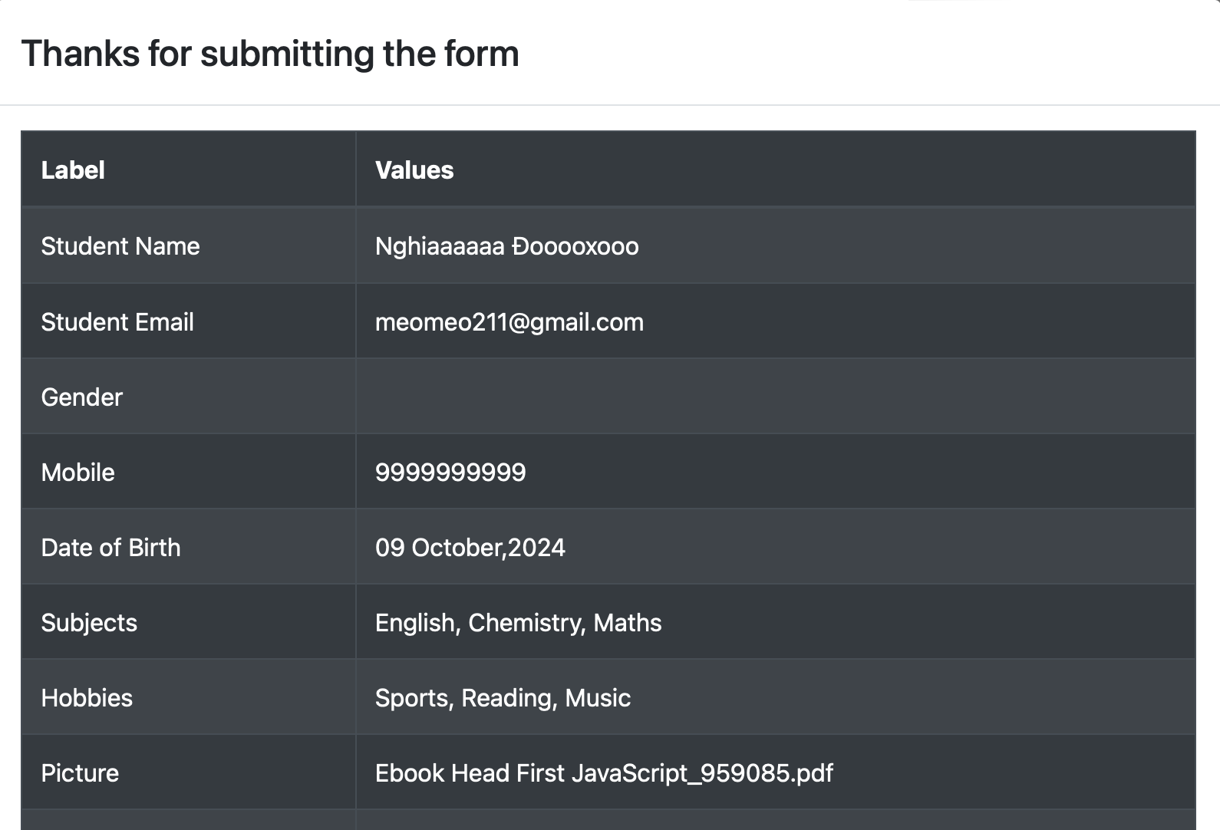 | Fail
TC_REGIST_F12 |  | Verify that user can't entering and submit successfully the Current Address box that: 1. Not belong to any actual place in the world. | Functionality |  | 1. Open the browser and visit the website. 2. Click on Practice Form. 3. Input valid all the values in the Requirement and enter wrong values in the Optional class. 4. Click on Submit button. | 1. Thành Phố Mộng Mơ | 1. The information file will be apear in the current address box. 2. The user can submit the form. 3. The “Thanks for submitting the form” window will be showing up with the close button. 4. Click on the Close button the browser will get back to the original window proving that the filled-in information has been successfully saved into the system. | 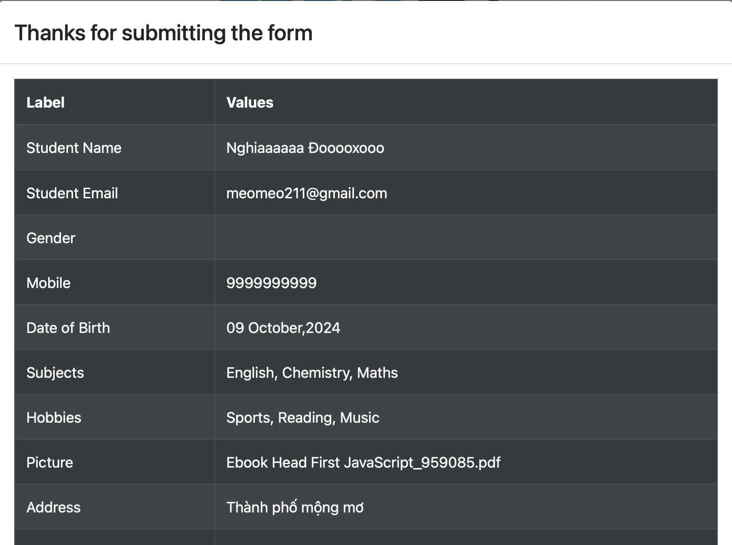 | Fail
TC_REGIST_F13 |  | Verify that user can't entering and submit successfully the E-mail box that: - Have a dot in user name. - Leading dash in domain. - Multiple dots in domain - Unicode charset | Functionality |  | 1. Open the browser and visit the website. 2. Click on Practice Form. 3. Input invalid values in E-mail box. 4. Click on Submit button. | 1. meomeo.211gmail.com 2. meomeo211@gmail-com 3. meomeo211@gmail...com 4. meomeo211@gmailcom | 1. It will response a red signal in E-mail box. 2. The submit button can't be clicked |  | Fail
TC_REGIST_F14 |  | Verify that user can't entering and submit successfully the Mobile box that: - All number are the same | Functionality |  | 1. Open the browser and visit the website. 2. Click on Practice Form. 3. Input invalid values in Mobile box. 4. Click on Submit button. | 1. 8888888888 | 1. It will response a red signal in Mobile box. 2. The submit button can't be clicked |  | Fail
TC_REGIST_F15 |  | Verify that user when the user choose a subject in the Subjects Field then the window will dissappear right after. | Functionality |  | 1. Open the browser and visit the website. 2. Click on Practice Form. 3. Typing a subject in the Subjects field. 4. Delete the subject. | 1. Economics | The window will immediately dissappear. |  | Fail
TC_REGIST_F16 | User submit form successfully | Verify that user submit successfully with all the valid information | Functionality |  | 1. Open the browser and visit the website. 2. Click on Practice Form. 3. Input valid all the values in the Requirement and Optional class. 4. Click on Submit button. | First Name: Jennie Last Name: Do Email: meomeo211@gmail.com Gender: Female Mobile: 0774859999 Date of Birth: 10 Oct 2001 Subjects: Economics; Math Hobbies: Reading Picture: meomeo.jpg Current Address: Ho Chi Minh City State and City: NCR; Dehli | 1. The user can submit the form. 2. The “Thanks for submitting the form” window will be showing up with the close button. 3. Click on the Close button the browser will get back to the original window proving that the filled-in information has been successfully saved into the system. | 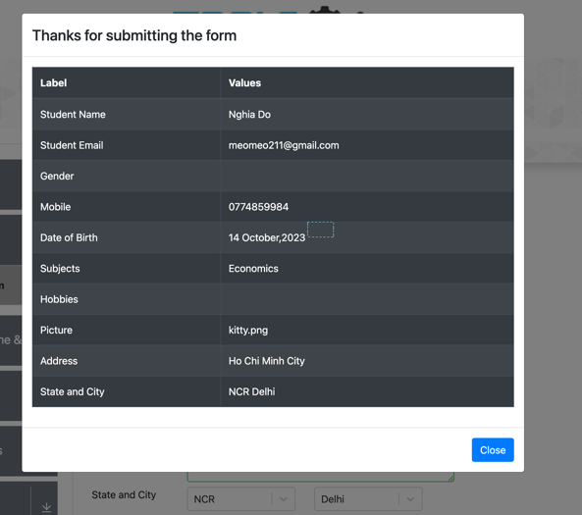 | Fail | The Confirm window doesn't show enough information that the user has been filled in.

